Stamping & Bending
 | Changed
 | Addition
 | To be removed

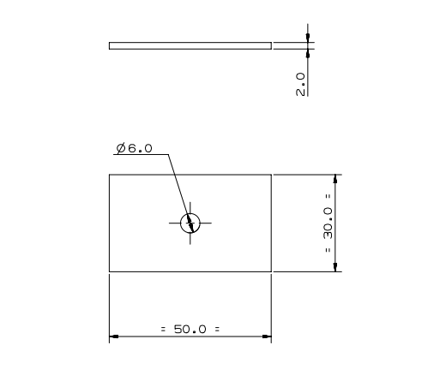
Field Header | Field name | Field Value | Comment | Input/Feedback
Part Information : | Internal Part Number : |  | Populated from template upload / User Input
 | Part Description : |  | Populated from template upload / User Input
 | Annual Volume (#) : | 120,000 | Populated from template upload / User Input
 | Commodity : | Sheet Metal | Populated from template upload / User Input
 | Process Name : | Stamping - Progressive | System suggestion / User Input
 | Current Supplier Name : |  | Populated from template upload or User selected from drop down
 | Current Manufacturing Country : | USA | Populated from template upload or User selected from drop down
 | Delivery Country : | USA | Populated from template upload or User selected from drop down
 | BOM Qty (No's) | 1 | Populated from template upload / User Input
 | Part Complexity : | Medium | System suggestion / User selected from drop down
 | Lot size (#) : | 10,000 | Populated from template upload or default to annual volume/12
 | Supply Chain Model : | Buy | Default is buy
 | Packaging Type : | No Packing | Select dropdown
 | HS Code : | N/A | Populated from template upload / User Input
 | Inco Terms : | EX-W | Default option1: Supplier master; Option 2: Client master
 | Payment Terms : | 60 Days | Default option1: Supplier master; Option 2: Client master
Material Information : | Category : | Ferrous | To be captured from part drawing / User Input
 | Family : | HDG Steel | To be captured from part drawing / User Input
 | Description/Grade : | 2mm*500mm SGCC | To be captured from part drawing / User Input
 | Density (g/cc) : | 7.85 | Lookup material table
 | Material price ($/Kg) : | 1.5 | Lookup material table
 | Scrap price ($/Kg) : | 0.4 | Lookup material table
 | Unfolded Length (mm) : | 50 | To be captured from part drawing / User Input
 | Unfolded Width (mm) : | 30 | To be captured from part drawing / User Input
 | Thickness (mm) : | 2 | To be captured from part drawing / User Input
 | Net weight (g) : | 23.1 | To be captured from part drawing / User Input
 | Area (mm^2) : | 1,500 | To be captured from part drawing / User Input
 | Volume (mm^3) : | 3,000 | Calculated: Part area * Sheet thickness
 | Part allowance (mm) : | 10.12 | Calculated: | Constant * Sheet thickness * ((Shear strength / 10) ^ (1/2)) + (10 mm to be added if more than 1 impression)
 | No. of Impressions : | 7 | Calculated: | (Coil width - Start & end scrap length) / ( Part length + part allowance)
 | Coil Width (mm) : | 500 | System Suggestion / User can change
 | Coil Length (mm) | 12000 | System Suggestion / User can change
 | Start & End Scrap Length (mm) | 20 | Default value
 | Parts per Coil | 2,384 | Calculated: | (Coil width - Edge allowance) x (Coil length - Edge allowance) / (Part length + Part allowance) x (Part width = Part allowance)
 | Coil WeiKght (g) | 94,200 | Calculated: | (Coil length x Coil Width x Sheet Thickness x Density) / 1000
 | Scrap weight per part(g) : | 16.4101 | Calculated: | Gross part weight - Net part weight
 | Net weight per part (g) : | 23.1000 | To be captured from part drawing / User Input
 | Gross weight per part (g) : | 39.5101 | Calculated: | Sheet weight / Parts per sheet
 | Utilisation % | 58.47% | Calculated: | Net part weight / gross part weight
 | Scrap Revovery % | 90.00% | Default / User can change
 | Gross Material cost ($) : | 0.0593 | Calculated: | (Gross weight / 1000) * Material Price
 | Scrap Rec Cost ($) : | 0.0059 | Calculated: | (Scrap weight / 1000)* Scrap recovery % * Material Price
 | Net Material cost ($) : | 0.0534 | Calculated: | Gross material cost - Scrap Rec Cost
Manufacturing 1 : | Process Type : | Stamping | Select dropdown
 | Length Of Cut : (Internal & External) (mm) | 100 | To be captured from part drawing / User Input
 | Shear Strength Of Material : (Mpa) | 352 | Lookup material table
 | Theoretical Force : (Ton) | 50.23 | Calculated: | (Length of cut * sheet thickness * shear strength*No. of impressions) / 9810
 | Recommended Force : (Ton) | 62.79 | Calculated: | Theoretical force * 1.25
 | Selected Tonnage (T) : | 120 | Lookup from machine database
 | Machine Name : | Stamping 120T | Lookup from machine database
 | M/c Automation : | Auto | Lookup from machine database
 | Recommend (T) : |  | To be removed
 | Cycle Time (sec) : | 0.8571 | If machine is auto, Stroke Time = (1/(Stroker Rate*Factor%))*60 | Stroke rate is lookup from machine database & factor% is lookup from table 1
 | Setup Time (min/piece) : | 0.0145 | Calculated: | ((Tool loading time + Total coil loading unloading time )/ Lot size)*60
 | Tool Loading Time (min) | 45.0000 | Lookup table 3A
 | Total Coil/Sheet loading time (min) | 100.0000 | Calculated: | (Lot size / parts per sheet) * value from lookup table 2 i.e material handeling table. Value to be selected based on sheet weight
Cost Drivers : | # Direct Labors : | 1 | Lookup from machine database
 | # of Skilled Labors : | 1 | Hidden field in the UI. Look up value from the machine database.; if no value in machine database default value is 1
 | Direct Labor Rate /hr | 30 | Lookingup Value from the country table
 | Skilled Labor Rate /hr | 45 | Lookingup Value from the country table
 | QA Inspector Rate /hr: | 50
 | Sampling Rate (%) | 1% | Look up the sampling plan table based on lot size.
 | Inspection time (min) : | 0.5000 | default: Part complexicity from part information section: Low 5; medium 10; high: 20
 | Yield (Net Good Parts) (%) : | 98.0% | Default: 98% user can change the value
 | Machine hour Rate ($) : | 15 | Lookup from machine database
 | Machine Cost ($) : | 0.0005 | Calculated: | (Machine hour rate / 60 ) x Cycle time/No. of impressions
 | Setup Cost ($) : | 0.0218 | Calculated: | ((Direct labor rate / 60)* No. of direct labor * setup time) + ((Skilled labor rate / 60)* No. of Skilled labor * setup time) + ((Machine hour rate / 60)* setup time)
 | Labor Cost ($) : | 0.0010 | Calculated: | (Direct labor rate / 60)* No. of direct labor * (cycle time/no of impressions))
 | Inspection Cost ($) : | 0.0042 | Calculated: | (((QA inspector rate / 60) * Inspection Time)*(Sampling% * Lot size)) / Lot size
 | Yield Cost (Rejected Parts Scrap Rate) ($) | 0.0014 | Calculated: | ( 1 - yield %) * (net material cost - ((net weight/1000 * scrap cost)+ sum(machine + labor + setup + inspection)))
 | Net Process cost ($) : | 0.0289 | Calculated: | Sum ( machine + setup + labor + inspection + yiled)
Manufacturing 2 : | Process Type : | Bending | Select dropdown
 | Ultimate Tensile Strength Of Material : (Mpa) | 440 | Lookup material table
 | Bending line length : (mm) | 2200 | To be captured from part drawing / User Input
 | Shoulder width : (mm) | 15 | To be captured from part drawing / User Input
 | Bending coeffecient : | 1.33 | Constant
 | Theoretical Force : (Ton) | 35.00 | Calculated | ((Sheet thickness ^2 * bending length * UTS * coefficient)/ bend shoulder length ) / 9810
 | No. Of Bends: Count | 1.00 | To be captured from part drawing / User Input
 | Total Tonnage Requird: (Ton) | 35.00 | Calculated | Theoretical force * no. of bends
 | Recommended Force : (Ton) | 43.75 | Calculated | Theoretical force * 1.25
 | Selected Tonnage (T) : | 80T | Lookup from machine database
 | Machine Name : | 80T T Press Brake | Lookup from machine database
 | M/c Automation : | Manual | Lookup from machine database
 | Recommend (T) : |  | To be removed
 | Cycle Time (sec) : | 7.0000 | If machine is manual, Stroke Time = Lookup from table 4 + (Sheet loading/unloading time)
 | Setup Time (min/piece) : | 0.0010 | Calculated | Tool loading time / Lot size
 | Total tool loading time (min) | 10.0000 | Lookup from table 3B
 | Sheet loading/Unloading time (min) | 0.0833 | Lookup from table 2
Cost Drivers : | # of Direct Labors : | 1 | Lookup from machine database
 | # of Skilled Labors : | 0 | Hidden field in the UI. Look up value from the machine database.; if no value in machine database default value is 1
 | Direct Labor Rate /hr | 30 | Lookingup Value from the country table
 | Skilled Labor Rate /hr | 45 | Lookingup Value from the country table
 | QA Inspector Rate /hr: | 50
 | Sampling Rate (%) | 1% | Look up the sampling plan table based on lot size.
 | Inspection time (min) : | 0.5000 | default: Part complexicity from part information section: Low 5; medium 10; high: 20
 | Yield (Net Good Parts) (%) : | 98.0% | Default: 98% user can change the value
 | Machine hour Rate ($) : | 15 | Lookup from machine database
 | Machine Cost ($) : | 0.0292 | Calculated: | (Machine hour rate / 60 ) x Cycle time
 | Setup Cost ($) : | 0.0008 | Calculated: | ((Direct labor rate / 60)* No. of direct labor * setup time) + ((Skilled labor rate / 60)* No. of Skilled labor * setup time) + ((Machine hour rate / 60)* setup time)
 | Labor Cost ($) : | 0.0686 | Calculated: | (Direct labor rate / 60)* No. of direct labor * cycle time)
 | Inspection Cost ($) : | 0.0042 | Calculated: | (((QA inspector rate / 60) * Inspection Time)*(Sampling% * Lot size)) / Lot size
 | Yield Cost (Rejected Parts Scrap Rate) ($) | 0.0029 | Calculated: | ( 1 - yield %) * (net material cost - ((net weight/1000 * scrap cost)+ sum(machine + labor + setup + inspection)))
 | Net Process cost ($) : | 0.1056 | Calculated: | Sum ( machine + setup + labor + inspection + yiled)

(Lookup-2) Handling
Lookup Tabel 2 - Handling Time Assumptions
# | Weight in Kg | Handling Time in min
1 | 2.5 | 0.08
2 | 10 | 0.17
3 | 20 | 0.25
4 | 30 | 0.33
5 | 40 | 0.58
6 | 65 | 0.75
7 | 95 | 0.83
8 | 130 | 0.92
9 | 165 | 1.00
10 | 200 | 1.08
11 | 250 | 1.25
12 | 300 | 1.33
13 | 350 | 1.42
14 | 400 | 1.58
15 | 450 | 1.75
16 | 500 | 2.63
17 | 750 | 3.15
18 | 1000 | 20.00
19 | 2000 | 20.00
20 | 3000 | 20.00
21 | 4000 | 25.00
22 | 5000 | 25.00

Sampling (Lookup 6)
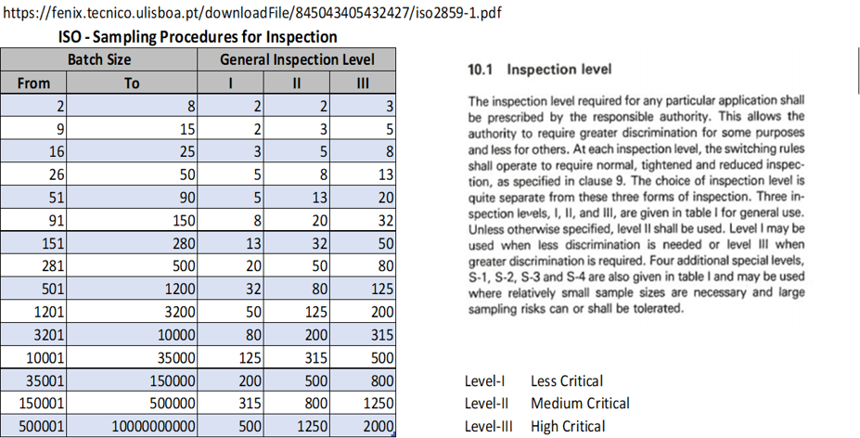
Lookup Table 6 - Inspection Sampling

 | Batch Size |  | Complexity Level |  |  | Sampling %
 | From | To | I | II | III | I | II | III
 | 2 | 8 | 2 | 2 | 3 | 25.00% | 25.00% | 37.50%
 | 9 | 15 | 2 | 3 | 5 | 13.33% | 20.00% | 33.33%
 | 16 | 25 | 3 | 5 | 8 | 12.00% | 20.00% | 32.00%
 | 26 | 50 | 5 | 8 | 13 | 10.00% | 16.00% | 26.00%
 | 51 | 90 | 5 | 13 | 20 | 5.56% | 14.44% | 22.22%
 | 91 | 150 | 8 | 20 | 32 | 5.33% | 13.33% | 21.33%
 | 151 | 280 | 13 | 32 | 50 | 4.64% | 11.43% | 17.86%
 | 281 | 500 | 20 | 50 | 80 | 4.00% | 10.00% | 16.00%
 | 501 | 1,200 | 32 | 80 | 125 | 2.67% | 6.67% | 10.42%
 | 1,201 | 3,200 | 50 | 125 | 200 | 1.56% | 3.91% | 6.25%
 | 3,201 | 10,000 | 80 | 200 | 315 | 0.80% | 2.00% | 3.15%
 | 10,001 | 35,000 | 125 | 315 | 500 | 0.36% | 0.90% | 1.43%
 | 35,001 | 150,000 | 200 | 500 | 800 | 0.13% | 0.33% | 0.53%
 | 150,001 | 500,000 | 315 | 800 | 1,250 | 0.06% | 0.16% | 0.25%
 | 500,001 | 1,000,000 | 500 | 1,250 | 2,000 | 0.05% | 0.13% | 0.20%

